Dynamic element
 |  |  |  |  | Test Scenario Report
 |  |  |  |  | Project Name | https://practicesoftwaretesting.com/
 |  |  |  |  | Client | ToolSHOPDemo
 |  |  |  |  | Created By | Vinita
 |  |  |  |  | Creation Date | 03/18/2025
 |  |  |  |  | Approved By | Shiva Sir

TEST SCENARIO ID | TEST SCENARIO | TEST CASE ID | PRE-REQUISITES | TEST CASE | TEST STEP | TEST DATA | EXPECTED RESULT | ACTUAL RESULT | STATUS | BUG ID | SCREENSHORT
TS_005 | Validate the functionality of dynamic elements like filtering,search box | TC_031 | Access to the Practice Software Testing website | Verify the presence of the search box | Navigate to the website and check the search box presence | N/A | Search box should be displayed | Search box is displayed | Pass
 |  | TC_032 | Access to the Practice Software Testing website | Verify the functionality of the search box | Enter a keyword in the search box and click on the search button | "Hammer" | Results related to the keyword should be displayed | Search results for "Hammer" are not displayed | Fail | Bug_003 | 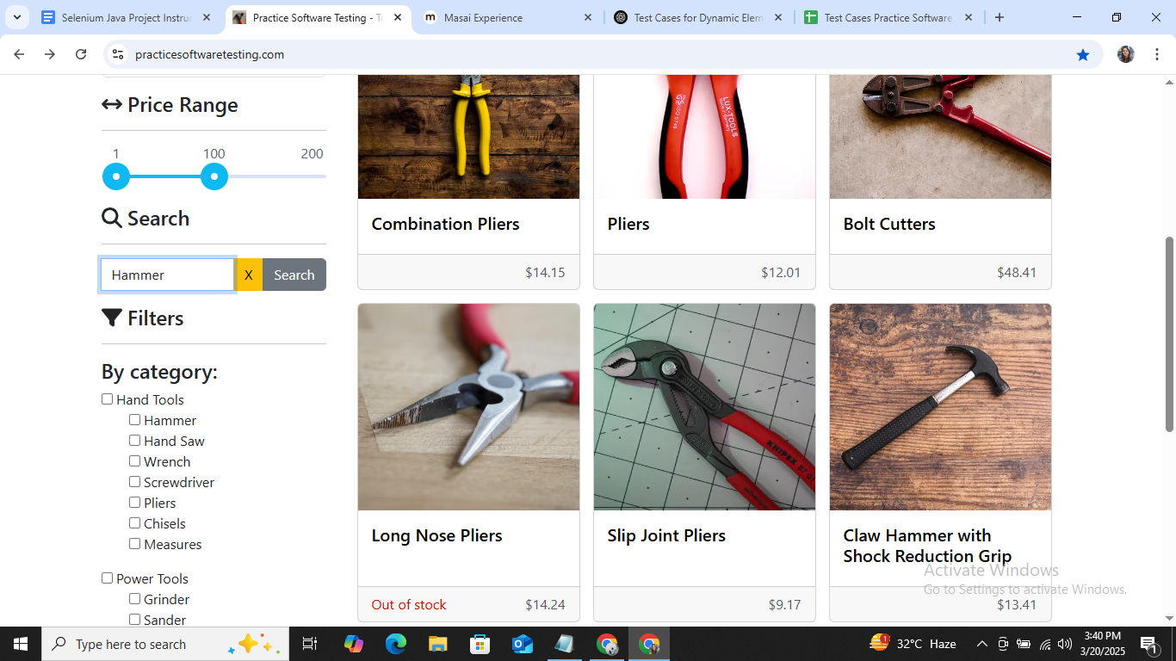
 |  | TC_033 | Access to the Practice Software Testing website | Verify the presence of filtering options | Navigate to a page with filtering options and check their presence | N/A | Filtering options should be displayed | Filtering options are displayed | Pass
 |  | TC_034 | Access to the Practice Software Testing website | Verify filtering with a valid option | Select a valid filter and check the displayed results | "Category:Hand Tools" | Results matching the selected filter should be displayed | Filtering options is not working and Results related to "Hand Tools" arenot displayed | Fail | Bug_004 | 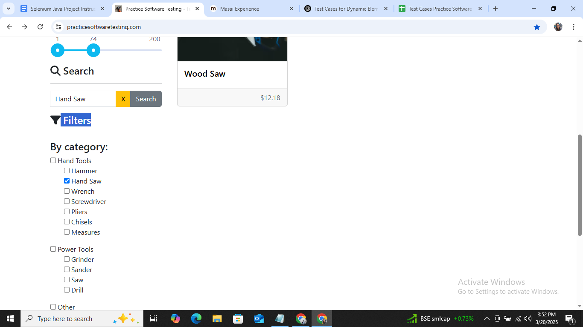
 |  | TC_035 | Access to the Practice Software Testing website | Verify the presence of the Price Range filter | Navigate to the product page and check for the presence of the Price Range filter | N/A | Price Range filter should be displayed | Price Range filter is displayed | Pass
 |  | TC_036 | Access to the Practice Software Testing website | Verify filtering with a valid price range | Select a valid price range (e.g., $50 - $100) and click "Apply" | $50 - $100 | Products within the specified price range should be displayed | Products within the range of $50 to $100 are displayed | Pass

cart
 |  |  |  |  | Test Scenario Report
 |  |  |  |  | Project Name | https://practicesoftwaretesting.com/
 |  |  |  |  | Client | ToolSHOPDemo
 |  |  |  |  | Created By | Vinita
 |  |  |  |  | Creation Date | 03/18/2025
 |  |  |  |  | Approved By | Shiva Sir

TEST SCENARIO ID | TEST SCENARIO | TEST CASE ID | PRE-REQUISITES | TEST CASE | TEST STEP | TEST DATA | EXPECTED RESULT | ACTUAL RESULT | STATUS | BUG ID | SCREENSHORT
TS_006 | Validate the Add to Cart Functionality | TC_037 | User is logged in | Add a single product to the cart | 1. Navigate to the product page 2. Click "Add to Cart" | Product: "Product A" | Product successfully added to the cart, and cart count is updated | Product successfully added to the cart, and cart count is updated | Pass
 |  | TC_038 | User is logged in | Add multiple products to the cart | 1. Navigate to multiple product pages 2. Add each product to the cart | Products: "Product A", "Product B" | All selected products are added to the cart, and the cart count is updated accordingly | All selected products are added to the cart, and the cart count is updated accordingly | Pass
 |  | TC_039 | User is logged in | Add the same product multiple times | 1. Navigate to a product page 2. Add the product to the cart multiple times | Product: "Product A" (x3) | Cart displays the product with the correct quantity | Cart displays the product with the correct quantity | Pass
 |  | TC_040 | User is logged in | Add out-of-stock product to the cart | 1. Navigate to an out-of-stock product page 2. Click "Add to Cart" | Product: "Product C" (out-of-stock) | User is shown a message indicating that the product is out of stock | User is shown a message indicating that the product is out of stock you are not able to add this probuct in the cart | Pass
 |  | TC_041 | User is not logged in | Add a product to the cart without login | 1. Navigate to a product page 2. Click "Add to Cart" | Product: "Product A" | User is prompted to log in or register before adding to the cart | User is able to add the product to the cart without logging in. | Fail | Bug_005 | 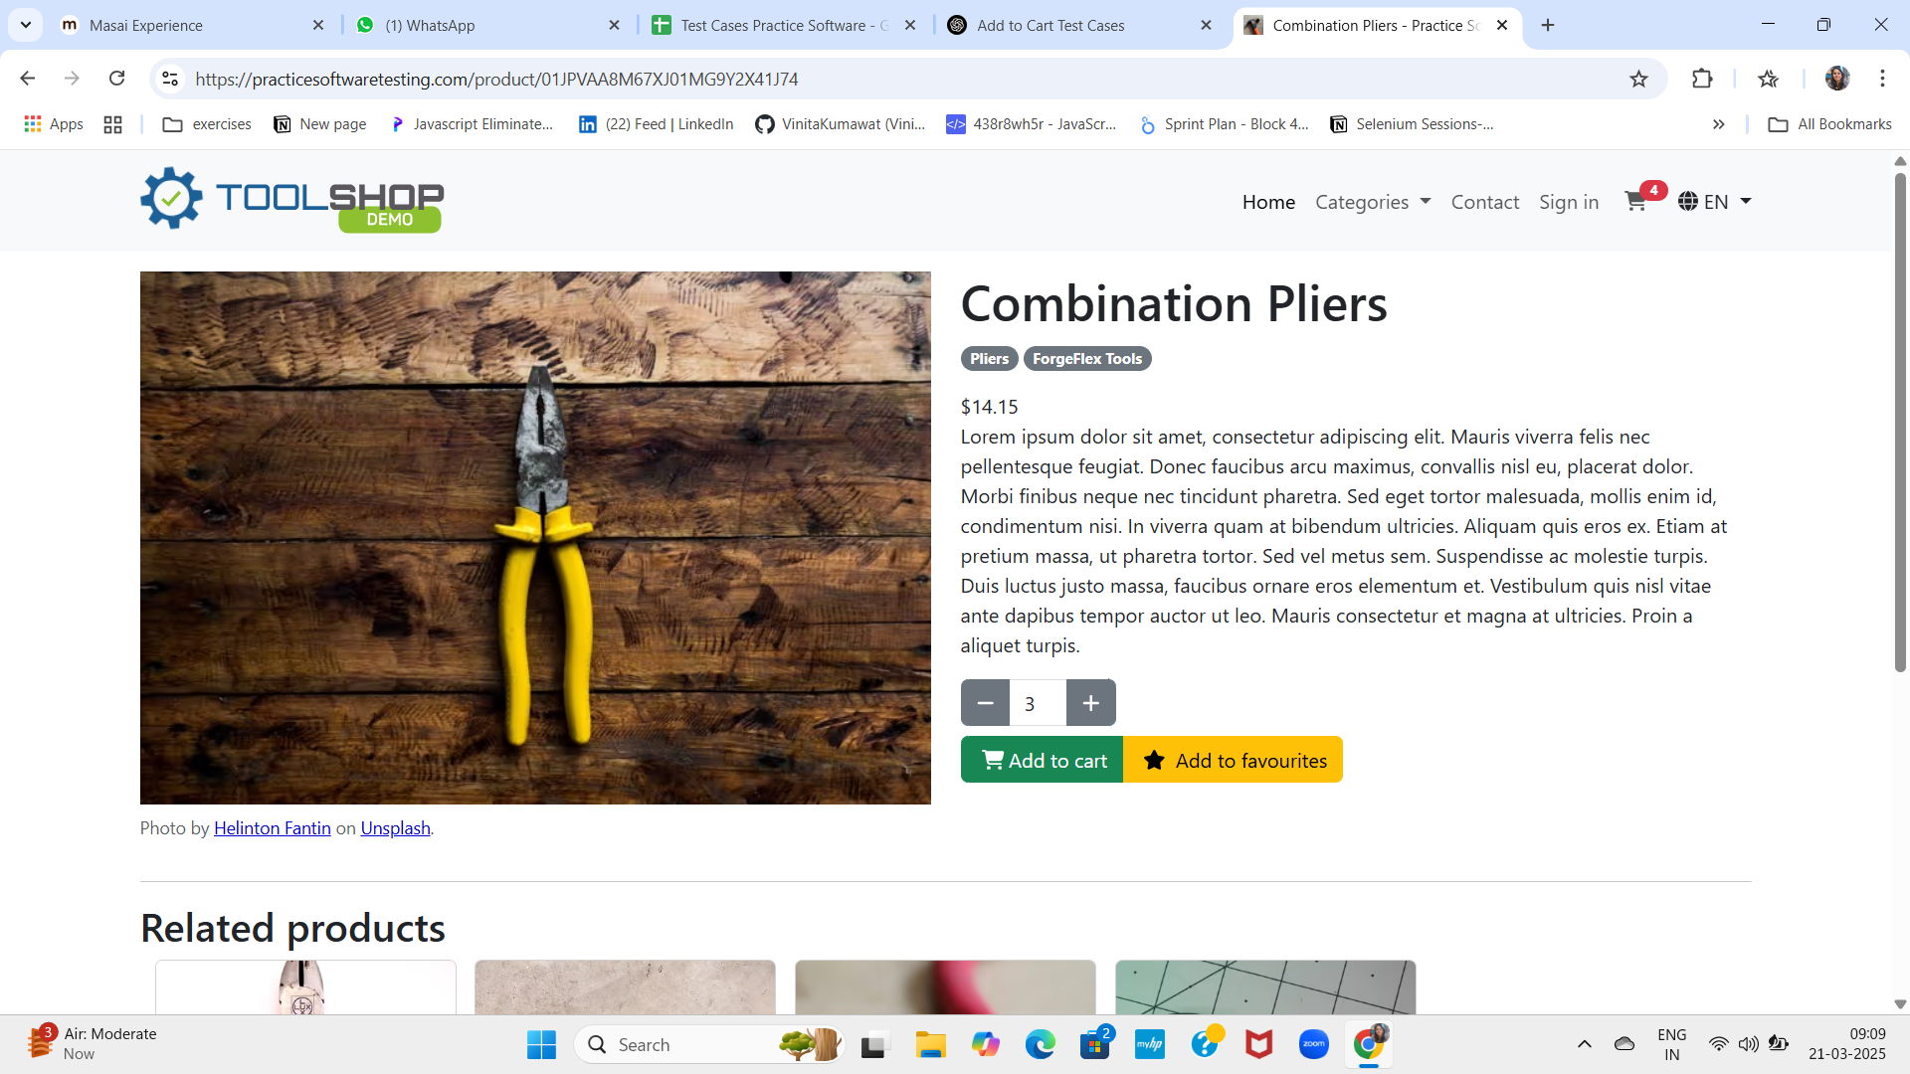
 |  | TC_042 | User is logged in | Remove product from the cart | 1. Add a product to the cart 2. Navigate to the cart page 3. Click "Remove" | Product: "Product A" | Product is successfully removed from the cart, and cart count is updated | Product is successfully removed from the cart, and cart count is updated | Pass
 |  | TC_043 | User is logged in | Update product quantity in the cart | 1. Add a product to the cart 2. Navigate to the cart 3. Update the quantity | Product: "Product A" (Qty: 2) | Cart updates with the new quantity and total price | Cart updates with the new quantity and total price | Pass

